Tabulated Values
Drag Coefficients for a Flat Plate - Normal to Flow

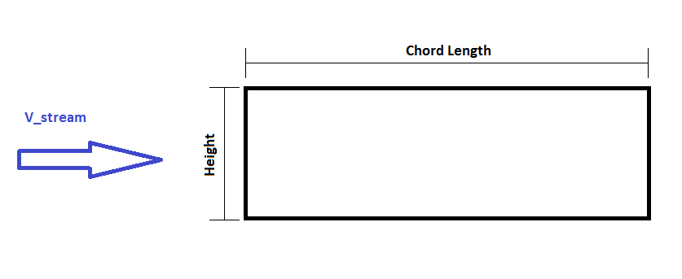
l/h | Chord (m): | h (m): | Re: | V (m/s): | Book - C_d | COMSOL - C_d | COMSOL w/ Perim
0.1 | 0.6 | 6 | 1.00E+04 | 2.613E-01 | 1.9 | 0.14943 | 1.972476
0.4 | 0.6 | 1.5 | 1.00E+04 | 2.613E-01 | 2.3 | 0.48192 | 2.024064
0.7 | 0.6 | 0.85714285714 | 1.00E+04 | 2.613E-01 | 2.7 | 0.8765 | 2.5543714286
1.2 | 0.6 | 0.5 | 1.00E+04 | 2.613E-01 | 2.1 | 0.90879 | 1.999338
2 | 0.6 | 0.3 | 1.00E+04 | 2.613E-01 | 1.8 | 0.95984 | 1.727712
2.5 | 0.6 | 0.24 | 1.00E+04 | 2.613E-01 | 1.4 | 0.96558 | 1.6221744
3 | 0.6 | 0.2 | 1.00E+04 | 2.613E-01 | 1.3 | 0.95519 | 1.528304
6 | 0.6 | 0.1 | 1.00E+04 | 2.613E-01 | 0.9 | 0.84463 | 1.182482
 |  |  |  |  | Taken from p481 |  | Domain size = 20* chord x 20* height
nu= | 1.57E-05 |  |  |  | ISBN: 9780072938449 |  | Domain size = 60*chord * 20* height
Coefficient of Drag for Varying Aspect Ratio

